Sheet1
PROJECT -IIT K

Data S. No. | Paper No. | RESEARCH PAPER/ ARTICLE | Link | Remarks | HA / BG | Processing | SiO2 | B2O3 | CaO | Na2O | P2O5 | K2O | MgO | Ce | Ce2O3 | CeO2 | Co | CoO | Ag2O | Unit | Test Procedure | Tests Conducted | Additional | XRD
1 | 1 | Cerium-doped bioactive 45S5 glasses: spectroscopic, redox, bioactivity and biocatalytic properties | https://drive.google.com/file/d/1mwmnppCJjiWskpMw3S8-MyrLryE4ZidC/view?usp=drive_link |  | BG | M | 45 |  | 24.5 | 24.5 | 6 | 0 | 0 | 0 | 0 | 0 | 0 | 0 | 0 | wt% | in-vitro | UV–Vis spectroscopy, X-ray photoelectron spectroscopy (XPS), SOD mimic activity test, IR, XRD | Soaking Time
2 |  |  |  |  | BG | M | 46.2 |  | 26.9 | 24.3 | 2.6 | 0 | 0 | 0 | 0 | 0 | 0 | 0 | 0 | mol% | in-vitro | UV–Vis spectroscopy, X-ray photoelectron spectroscopy (XPS), SOD mimic activity test, IR, XRD | Soaking Time
3 |  |  |  |  | BG | M | 45.6 |  | 26.6 | 24 | 2.6 | 0 | 0 | 0 | 0 |  | 0 | 0 | 0 | mol% | in-vitro | UV–Vis spectroscopy, X-ray photoelectron spectroscopy (XPS), SOD mimic activity test, IR, XRD | Soaking Time
4 |  |  |  |  | BG | M | 44.5 |  | 23.4 | 23.4 | 2.5 | 0 | 0 | 0 | 0 | 3.6 | 0 | 0 | 0 | mol% | in-vitro | UV–Vis spectroscopy, X-ray photoelectron spectroscopy (XPS), SOD mimic activity test, IR, XRD | Soaking Time
5 |  |  |  |  | BG | M | 43.4 |  | 25.7 | 23.2 | 2.4 | 0 | 0 | 0 | 0 | 5.3 | 0 | 0 | 0 | mol% | in-vitro | UV–Vis spectroscopy, X-ray photoelectron spectroscopy (XPS), SOD mimic activity test, IR, XRD | Soaking Time
6 | 2 | Mechanical properties of highly porous Bioglass | https://drive.google.com/file/d/16X-AgJP_ue3qS6lDu4J7iEilDAvx1bT3/view?usp=drive_link | has PDLLA | BG |  | 45 |  | 24.5 | 24.5 | 6 | 0 | 0 | 0 | 0 | 0 | 0 | 0 | 0 | wt% | in-vitro | Compressive modulus, Maximum compressive strength, Nominal compressive strain, Compression stress at yield, Nominal compressive strain | % porosity, TGA, density
7 | 3 | Effects of Cerium Oxide Nanoparticles on the Proliferation | https://drive.google.com/file/d/1twCkl8onMdcIPsYCI9ku44kh05zOEAzg/view?usp=drive_link | nanoparticles |  |  |  |  |  |  |  |  |  |  |  |  |  |  |  |  | in-vitro | Osteoblast Proliferation Assay, MTT assay
9 | 4 | Cerium-and-silver-co-substituted-bioglass-coatings-deposited-b_2024_Material | https://drive.google.com/file/d/12P81Qp_iVcM1EEumfWUIq57YjlQufxcy/view?usp=drive_link | recheck | BG | SG | 65 |  | 24 | 2.5 | 4.5 | 0 | 0 | 0 | 0 | 3 | 0 | 0 | 1
10 | 5 | Electrospun-cerium-and-gallium-containing-silicate-based-13_2016_Ceramics-In | https://drive.google.com/file/d/1FSQfYbSL2spm9a7GJAcMU9guEdhYNcCQ/view?usp=drive_link |  | BG | SG | 53 |  | 20 | 6 | 4 | 12 | 5 | 0 | 0 | 0 | 0 | 0 | 0 | wt% | in-vitro | Cell viability, Antibacterial Activity, . In vitro bioactivity | Solution Pro
 |  |  |  |  | BG | SG | 52 |  | 20 | 6 | 4 | 12 | 5 | 0 | 1 | 0 | 0 | 0 | 0 | wt% | in-vitro | Cell viability, Antibacterial Activity, . In vitro bioactivity | Solution Pro
 |  |  |  |  | BG | SG | 50 |  | 20 | 6 | 4 | 12 | 5 | 0 | 3 | 0 | 0 | 0 | 0 | wt% | in-vitro | Cell viability, Antibacterial Activity, . In vitro bioactivity | Solution Pro
 |  |  |  |  | BG | SG | 48 |  | 20 | 6 | 4 | 12 | 5 | 0 | 5 | 0 | 0 | 0 | 0 | wt% | in-vitro | Cell viability, Antibacterial Activity, . In vitro bioactivity | Solution Pro
 | 6 | Thermo-kinetic-and-structural-characterization-of-Ce_2023_Materials-Chemistr | https://drive.google.com/file/d/1-hVTJV1ah_y3y4lRAcAAB5aPG4Pg3RuY/view?usp=drive_link |  | BG | M- check once | 47.5 |  | 27.6 | 22.3 | 2.6 | 0 | 0 | 0 | 0 | 0 | 0 | 0 | 0 | mol% |  | Raman, TMA, Tg, Alpha g
 |  |  |  |  | BG | M- check once | 46.3 |  | 26.5 | 24.4 | 2.3 | 0 | 0 | 0 | 0 | 0.5 | 0 | 0 | 0 | mol% |  | Raman, TMA, Tg, Alpha g
 |  |  |  |  | BG | M- check once | 44.6 |  | 27.7 | 24.5 | 2.3 | 0 | 0 | 0 | 0 | 1 | 0 | 0 | 0 | mol% |  | Raman, TMA, Tg, Alpha g
 |  |  |  |  | BG | M- check once | 44.9 |  | 27 | 24.5 | 2.2 | 0 | 0 | 0 | 0 | 1.4 | 0 | 0 | 0 | mol% |  | Raman, TMA, Tg, Alpha g
 | 7 | Bioglass-and-hybrid-bioactive-material--A-review-on-the-fabrica_2024_Hybrid- | https://drive.google.com/file/d/16m4NJOQMsHL0uTjqcu4zKx78sY2J44v_/view?usp=drive_link | Imp, but lot of refrences need to be searched | BG
 | 8 | Cobalt-containing-antimicrobial-bioactive-glass-coated-urinary-_2024_Ceramic | https://drive.google.com/file/d/1o5tmOU2w6MoaX1QKt7ojaVlAxmkpVpaf/view?usp=drive_link |  | BG | SG | 70 |  | 25-x | x (0 to 8) | 5 | 0 | 0 | 0 | 0 | 0 | 0 | 0 | 0 | mol% | in-vitro | XRD, DSC/Temp, FTIR, Pore size, BET, Cell Viability, cytotoxicity assay, Coating adhesion test
 | 9 | Lotus-sprout-templated-porous-cobalt-doped-borate-bioglass-w_2022_Applied-Ma | https://drive.google.com/file/d/11IF25MHFU3rU-1Dj0x3kX1SNWIa50XrR/view?usp=drive_link |  | BG | SG | 60 |  | 36 | 0 | 4 | 0 | 0 | 0 | 0 | 0 | 5 | 0 | 0
 | 10 | Osteogenic-angiogenic-coupled-response-of-cobalt-containing_2024_Acta-Biomat | https://drive.google.com/file/d/1_Mt766rbGYL-GON_OkQtQnILgUzQqFLQ/view?usp=drive_link |  | BG |  | 70 |  | 25 | 0 | 5 | 0 | 0 | 0 | 0 | 0 | 0 | 0 | 0 | mol% | both analysis | In vitro cell viability assay, Textural Pro., FTIR, ALP, VEGF, PCR | pore size
 |  |  |  |  | BG |  | 70 |  | 23.75 | 0 | 5 | 0 | 0 | 0 | 0 | 0 | 0 | 0 | 0 | mol% | both analysis | In vitro cell viability assay, Textural Pro., FTIR, ALP, VEGF, PCR | pore size
 |  |  |  |  | BG |  | 70 |  | 22.5 | 0 | 5 | 0 | 0 | 0 | 0 | 0 | 0 | 0 | 0 | mol% | both analysis | In vitro cell viability assay, Textural Pro., FTIR, ALP, VEGF, PCR | pore size
 |  |  |  |  | BG |  | 70 |  | 20 | 0 | 5 | 0 | 0 | 0 | 0 | 0 | 0 | 0 | 0 | mol% | both analysis | In vitro cell viability assay, Textural Pro., FTIR, ALP, VEGF, PCR | pore size
 | 11 | Review-of-bioactive-glass--From-Hench-to-hybrids_2013_Acta-Biomaterialia | https://drive.google.com/file/d/13PT4Dj6uB31Etguw5OrM3O0mfqnG6pru/view?usp=drive_link |  | BG |  | 46.1 |  | 26.9 | 24.4 | 2.6 | 0 | 0 | 0 | 0 | 0 | 0 | 0 | 0 | mol%
 | 12 | Strontium--and-cobalt-substituted-bioactive-glasses-seeded-with-_2017_Acta-B | https://drive.google.com/file/d/1V6cToATJWqi9Jb4HT7_SuQoHF_IQJOb9/view?usp=drive_link |  | BG | M | 41.2 | 0 | 36.14 | 7.17 | 5.06 | 7.17 | 3.26 | 0 | 0 | 0 | 0 | 0 | 0 | mol% | both analysis | FTIR, XRD, pH, Cell viability, Cell attachment, PCR, ALP, Microhardness, OD, OCN, Size distribution
 |  |  |  |  | BG |  | 41.2 | 0 | 35.64 | 7.17 | 5.06 | 7.17 | 3.26 | 0 | 0 | 0 | 0 | 0.5 | 0 | mol% | both analysis | FTIR, XRD, pH, Cell viability, Cell attachment, PCR, ALP, Microhardness, OD, OCN, Size distribution
 | 13 | Structural-characterization--in-vitro-bioactivity--and-anti_2021_Ceramics-In | https://drive.google.com/file/d/1XWeFqcrqNsUITUpuBN_e-Du4xw-FHLsH/view?usp=drive_link | P2O2 hai n Ag | BG
 | 14 | When-size-matters--Biological-response-to-strontium--an_2018_Materials-Today | https://drive.google.com/file/d/1c43rNiR2AXvX7RtHoNEJXQGOCrOWTZlm/view?usp=drive_link |  | BG |  | 41.2 |  | 35.64 | 7.17 | 5.06 | 7.17 | 3.26 | 0 | 0 | 0 | 0 | 0.5 | 0 | mol% |  | ALP, MTT, cytotoxicity, PCR | Size
 | 15 | Co-doping-of-silicate-bioceramics-as-a-potential-strat_2024_Coordination-Che | https://drive.google.com/file/d/1Y9lqbd4EArrKslvUW8rCofdx3U-cNOBL/view?usp=drive_link | Co-doping hai | BG
 | 16 | Drug-loaded-bioglass-nanoparticles-and-their-coating_2023_Journal-of-Non-Cry | https://drive.google.com/file/d/1A0UekBRHAKdXBD1PtkiiOUWBsaEAdw8h/view?usp=drive_link | Useless | BG
 | 17 | Effect-of-ion-release-from-Cu-doped-45S5-Bioglass--on-3D-en_2015_Acta-Biomat | https://drive.google.com/file/d/1vS_d96wuZqi3pkXFyGQ0qmZufvSK0TVj/view?usp=drive_link | Useless | BG
 | 18 | Fabrication-and-characterization-of-cobalt--and-copper-doped-_2023_Ceramics- | https://drive.google.com/file/d/18bb4H23NdcsCEiWZ8LkXQHQ1bNdwZmoL/view?usp=drive_link |  | BG |  | 0 | 54.6 | 0 | 0 | 1.7 | 0 | 0 | 0 | 0 | 0 | 0 | 0 | 0 | mol% |  | DTA, Zeta potential, BET, Bioactivity assessment , XRD, Lattice para., Cell viability , Crystallinity degree, Antibacterial activity, BJH
 |  |  |  |  | BG |  | 0 | 54.6 | 0 | 0 | 1.7 | 0 | 0 | 0 | 0 | 0 | 0 | 0.5 | 0 | mol% |  | DTA, Zeta potential, BET, Bioactivity assessment , XRD, Lattice para., Cell viability , Crystallinity degree, Antibacterial activity, BJH
 |  |  |  |  | BG |  | 0 | 54.6 | 0 | 0 | 1.7 | 0 | 0 | 0 | 0 | 0 | 0 | 1 | 0 | mol% |  | DTA, Zeta potential, BET, Bioactivity assessment , XRD, Lattice para., Cell viability , Crystallinity degree, Antibacterial activity, BJH
 |  |  |  |  | BG |  | 0 | 54.6 | 0 | 0 | 1.7 | 0 | 0 | 0 | 0 | 0 | 0 | 2.5 | 0 | mol% |  | DTA, Zeta potential, BET, Bioactivity assessment , XRD, Lattice para., Cell viability , Crystallinity degree, Antibacterial activity, BJH
 | 19 | Interaction-of-gamma-rays-with-some-sodium-phospha_2010_Journal-of-Non-Cryst | https://drive.google.com/file/d/1w6HrECKUM3FFTjQHdz5dAmTcz1xZJ4fG/view?usp=drive_link | Sodium metaphosphate wala hai | BG
 | 20 | In-vitro-investigations-on-CoO-doped-CaF2CaOB2O3P2O5-MO-bioac_2017_Optical-M | https://drive.google.com/file/d/1BVDs8mbzS2WkFzcUaj4ELbXaVwzmc_x2/view?usp=drive_link | Too much of varying composition | BG
 | 21 | A-simple-way-of-modulating-in-vitro-angiogenic-response-usin_2018_Materials- | https://drive.google.com/file/d/1BR0CmqTpcta631BG8MPWlwwBByPdO3aX/view?usp=drive_link |  | BG | SG | 40 | 0 | 54 | 0 | 6 | 0 | 0 | 0 | 0 | 0 | 0 | 0 | 0 | mol% | in-vitro | Cytotoxicity, VEGF
 |  |  |  |  | BG | SG | 40 | 0 | 53 | 0 | 6 | 0 | 0 | 0 | 0 | 0 | 0 | 1 | 0 | mol% | in-vitro | Cytotoxicity, VEGF
 |  |  |  |  | BG | SG | 80 | 0 | 16 | 0 | 4 | 0 | 0 | 0 | 0 | 0 | 0 | 0 | 0 | mol% | in-vitro | Cytotoxicity, VEGF
 |  |  |  |  | BG | SG | 80 | 0 | 15 | 0 | 4 | 0 | 0 | 0 | 0 | 0 | 0 | 1 | 0 | mol% | in-vitro | Cytotoxicity, VEGF
 | 22 | Cobalt-doped δ-MnO2/CNT composites as cathode material for aqueous zinc-ion batteries | https://drive.google.com/file/d/1SGFnwklYqaa-DaAPlDTy02FvzsW_vqGT/view?usp=drive_link | Useless
 | 23 | Impact of Cobalt Doping on the Structural, Optical, and Dielectric Properties of MgAl2O4 Spinel Material | https://drive.google.com/file/d/1VQcmmGeTu2lhZmsNkznmJRndu4Z5B0Oi/view?usp=drive_link | Irrelevant
 | 24 | Cobalt-containing borate bioactive glass fibers for treatment of diabetic wound | https://drive.google.com/file/d/1GppzJdPAlQ4DUNLtvrycxZ1mlLnBwlM1/view?usp=drive_link | Borate bioglass | BG |  | 0 | 54 | 22 | 6 | 2 | 8 | 8 | 0 | 0 | 0 | 0 | 0 | 0 | mol% | both analysis | Ion release behavior, FTIR, Structural characterization, Morphology, and Particle size of BG, pH, SEEM, Cytotoxicity, VEGFF, Scratch wound assay
 |  |  |  | Borate bioglass | BG |  | 0 | 54 | 21 | 6 | 2 | 8 | 8 | 0 | 0 | 0 | 0 | 1 | 0 | mol% | both analysis | Ion release behavior, FTIR, Structural characterization, Morphology, and Particle size of BG, pH, SEEM, Cytotoxicity, VEGFF, Scratch wound assay
 |  |  |  | Borate bioglass | BG |  | 0 | 54 | 20 | 6 | 2 | 8 | 8 | 0 | 0 | 0 | 0 | 2 | 0 | mol% | both analysis | Ion release behavior, FTIR, Structural characterization, Morphology, and Particle size of BG, pH, SEEM, Cytotoxicity, VEGFF, Scratch wound assay
 |  |  |  | Borate bioglass | BG |  | 0 | 54 | 19 | 6 | 2 | 8 | 8 | 0 | 0 | 0 | 0 | 3 | 0 | mol% | both analysis | Ion release behavior, FTIR, Structural characterization, Morphology, and Particle size of BG, pH, SEEM, Cytotoxicity, VEGFF, Scratch wound assay
 |  |  |  | Borate bioglass | BG |  | 0 | 54 | 17 | 6 | 2 | 8 | 8 | 0 | 0 | 0 | 0 | 5 | 0 | mol% | both analysis | Ion release behavior, FTIR, Structural characterization, Morphology, and Particle size of BG, pH, SEEM, Cytotoxicity, VEGFF, Scratch wound assay
 | 25 | Cobalt Doped Bioactive Glasses: Sinterability, Crystallization Trend, and Biodegradation Assessment of Relevant Glass -Ceramic Scaffolds | https://drive.google.com/file/d/1YarBV85vRKooJo7INVFUSE1eaM2yfVgn/view?usp=drive_link |  | BG |  | 48 | 3 | 18 | 5 | 4 | 20 | 2 | 0 | 0 | 0 | 0 | 0 | 0 | not stated properly |  | Cell adhesion and proliferation, XRD, DTA, Tg, FTIR, Raman, Tc, EDX, cytotoxicity (MTT), | water absorption, Linear shrinkage,
 |  |  |  |  | BG |  | 48 | 3 | 18 | 5 | 4 | 20 | 2 | 0 | 0 | 0 | 1 | 0 | 0 | not stated properly |  | Cell adhesion and proliferation, XRD, DTA, Tg, FTIR, Raman, Tc, EDX, cytotoxicity (MTT), | water absorption, Linear shrinkage,
 |  |  |  |  | BG |  | 48 | 3 | 18 | 5 | 4 | 20 | 2 | 0 | 0 | 0 | 3 | 0 | 0 | not stated properly |  | Cell adhesion and proliferation, XRD, DTA, Tg, FTIR, Raman, Tc, EDX, cytotoxicity (MTT), | water absorption, Linear shrinkage,
 |  |  |  |  | BG |  | 48 | 3 | 18 | 5 | 4 | 20 | 2 | 0 | 0 | 0 | 5 | 0 | 0 | not stated properly |  | Cell adhesion and proliferation, XRD, DTA, Tg, FTIR, Raman, Tc, EDX, cytotoxicity (MTT), | water absorption, Linear shrinkage,
 | 26 | Multi-targeted B and Co co-doped 45S5 bioactive glasses with angiogenic potential for bone regeneration | https://drive.google.com/file/d/1kFf1cWYRW8yJlzbvfRoYDGRoWycHJuZB/view?usp=drive_link |  | BG |  | 45 | 0 | 24.5 | 24.5 | (P2O3)6 | 0 | 0 | 0 | 0 | 0 | 0 | 0 | 0 | mol% |  | SEM, VEGF, XRD,
 |  |  |  |  | BG |  | 43 | 0 | 24.5 | 24.5 | (P2O3)6 | 0 | 0 | 0 | 0 | 0 | 0 | 0 | 0 | mol% |  | SEM, VEGF, XRD,
 |  |  |  |  | BG |  | 41 | 0 | 24.5 | 24.5 | (P2O3)6 | 0 | 0 | 0 | 0 | 0 | 0 | 0 | 0 | mol% |  | SEM, VEGF, XRD,
 | 27 | Cobalt-Doped Bioactive Glasses for Biomedical Applications: A Review | https://drive.google.com/file/d/1Bf3ztNsmQXNZWNj9Rx4stFqY95i6hojH/view?usp=drive_link | Review paper hai… Contained references over !! | BG
 | 28 | Efect of Ce-doped bioactive glass/collagen/ chitosan nanocomposite scafolds on the cell morphology and proliferation of rabbit’s bone marrow mesenchymal stem cells-derived osteogenic cells | https://drive.google.com/file/d/1rgz1ZziqlDrLLEQnbC_8lSESbFCq8WEr/view?usp=drive_link |  | BG | SG | 80 | 0 | 15 | 0 | 5 | 0 | 0 | 0 | 0 | Ce2O hai 0 | 0 | 0 | 0 | mol% | both analysis | MTT, DTA, FTIR, TEM, Cell Proliferation, toxicity
 |  |  |  |  | BG | SG | 75 | 0 | 15 | 0 | 5 | 0 | 0 | 0 | 0 | 5 | 0 | 0 | 0 | mol% | both analysis | MTT, DTA, FTIR, TEM, Cell Proliferation, toxicity
 |  |  |  |  | BG | SG | 70 | 0 | 15 | 0 | 5 | 0 | 0 | 0 | 0 | 10 | 0 | 0 | 0 | mol% | both analysis | MTT, DTA, FTIR, TEM, Cell Proliferation, toxicity
 | 29 | Cobalt containing glass fibres and their synergistic effect on the HIF-1 pathway for wound healing applications | https://drive.google.com/file/d/1B1tF-igkVqLAfXY6zTkJqQO7x0d5zIVM/view?usp=drive_link | glass fibres, irrelevant | BG
 | 30 | Growth of bone like hydroxyapatite and cell viability studies on CeO2 doped CaO–P2O5–MgO–SiO2 bioceramics | https://drive.google.com/file/d/1W3dtHIp3U-Y6Cu8c1yNXhqOl2rPrqB6i/view?usp=drive_link |  | BG | SG | 34.12 | 0 | 40.88 | 0 | 7.94 | 0 | 17.06 | 0 | 0 | 0 | 0 | 0 | 0 | mol% | in-vitro | FTIR, Antioxidant analysis, Osteoblast cell response, MTT, bioactivity, cell viability, XRDD, Ramann, BET, FESEM | surface area, size, Soaking time, pH,
 |  |  |  |  | BG | SG | 34.12 | 0 | 40.38 | 0 | 7.94 | 0 | 17.06 | 0 | 0 | 0.5 | 0 | 0 | 0 | mol% | in-vitro | FTIR, Antioxidant analysis, Osteoblast cell response, MTT, bioactivity, cell viability, XRDD, Ramann, BET, FESEM | surface area, size, Soaking time, pH,
 |  |  |  |  | BG | SG | 34.12 | 0 | 38.38 | 0 | 7.94 | 0 | 17.06 | 0 | 0 | 2.5 | 0 | 0 | 0 | mol% | in-vitro | FTIR, Antioxidant analysis, Osteoblast cell response, MTT, bioactivity, cell viability, XRDD, Ramann, BET, FESEM | surface area, size, Soaking time, pH,
 |  |  |  |  | BG | SG | 34.12 | 0 | 35.88 | 0 | 7.94 | 0 | 17.06 | 0 | 0 | 5 | 0 | 0 | 0 | mol% | in-vitro | FTIR, Antioxidant analysis, Osteoblast cell response, MTT, bioactivity, cell viability, XRDD, Ramann, BET, FESEM | surface area, size, Soaking time, pH,
 | 31 | Structure of Cerium Phosphate Glasses: Molecular Dynamics Simulation | https://drive.google.com/file/d/1qwhDWrDuHtL7WI3U3arGGknXsU8In0JJ/view?usp=drive_link | simulation wala hai, almost useless | BG |  | 55 | 0 | 0 | 0 | 37 | 0 | 0 | 0 | 0 | 8 | 0 | 0 | 0 | mol% |  |  | density, bond length
 | 32 | Multifunctional 58S Bioactive Glass/Silver/Cerium Oxide-Based Biocomposites with Effective Antibacterial, Cytocompatibility, and Mechanical Properties | https://drive.google.com/file/d/1fZxZgS8YhNk1gVGlhSAUBTAV0nyfstB_/view?usp=drive_link | compo. Not given clearly | BG | SG |  |  |  |  |  |  |  |  |  |  |  |  |  | wt% |  | MTT, porosity, Mech. Pro,
 | 33 | Development OF pH-sensitive wound dressings using PVA/PAA hydrogels and bioactive glass nanoparticles doped with cerium and cobalt | https://drive.google.com/file/d/13j5NWvRZrAJVfyFCgf-I9kRonwiWBTJi/view?usp=drive_link | PVA mixed poly | BG
 | 34 | Effects of cerium-doped bioactive glass incorporation on an alginate/ gelatin scaffold for bone tissue engineering: In vitro characterizations | https://drive.google.com/file/d/1_B1vGi2JdeuHCfYvIEBI1-X2C7mUrZve/view?usp=drive_link | Alg-gel | BG | SG | 46.07 | 0 | 26.9 | 24.4 | 2.55 | 0 | 0 | 0 | 0 | 0 | 0 | 0 | 0 | mol% | in-vitro | Cytotoxicity, ALP, SEM, PCR, FTIR, FESEM, XRD | porosity, FTIR,
 |  |  |  | Alg-gel | BG | SG | 50 | 0 | 40 | 0 | 5 | 0 | 0 | 0 | 0 | 5 | 0 | 0 | 0 | mol% | in-vitro | Cytotoxicity, ALP, SEM, PCR, FTIR, FESEM, XRD | porosity, FTIR,
 | 35 | In Vitro Characterization of Doped Bioglass 45S5/HAp Coatings Obtained by CoBlastTM Deposition | https://drive.google.com/file/d/1-WOYUw81v7X9AfULLscgSe5caRlKL34j/view?usp=drive_link |  | BG | M | 45.18 | 0 | 26.37 | 23.86 | 2.55 | 0 | 0 | 0 | 0 | 0 | 0 | 0 | 0 | mol% | in-vitro | Cytotoxicity, ALP, XRD, EDS, Cell adhesion, SEM | Immunofluorescence Study
 | 36 | Cerium doped dendritic mesoporous bioactive glass nanoparticles with bioactivity and drug delivery capability | https://drive.google.com/file/d/1lZg1pCIhUsLBFYNrH3mcqp8uuRNLoukO/view?usp=drive_link |  | BG | SG | 85 | 0 | 15 | 0 | 0 | 0 | 0 | 0 | 0 | 0 | 0 | 0 | 0 | mol% | in-vitro | EDS, FTIR, SEM, TEM
 |  |  |  |  | BG | SG | 89 | 0 | 10 | 0 | 0 | 0 | 0 | 0 | 0 | 1 | 0 | 0 | 0 | mol% | in-vitro | EDS, FTIR, SEM, TEM
 |  |  |  |  | BG | SG | 96 | 0 | 3 | 0 | 0 | 0 | 0 | 0 | 0 | 1 | 0 | 0 | 0 | mol% | in-vitro | EDS, FTIR, SEM, TEM
 |  |  |  |  | BG | SG | 98 | 0 | 1 | 0 | 0 | 0 | 0 | 0 | 0 | 1 | 0 | 0 | 0 | mol% | in-vitro | EDS, FTIR, SEM, TEM
 | 37 | Antioxidative bioactive glass reinforced injectable hydrogel with reactive oxygen species scavenging capacity for diabetic wounds treatment | https://drive.google.com/file/d/1J7JnXDbqVAfRFeUwNg1OZxvE0AtG_YGN/view?usp=drive_link | BG nanparticle | BG | SG | 80 | 0 | 16 | 0 | 0 | 0 | 0 | 0 | 0 | 0 | 0 | 0 | 0 |  | in-vitro | Cytotoxicity, Cell Migration, Antibacterial activity evaluation, SEM, EDS, XRD,
 |  |  |  | BG nanparticle | BG | SG | 80 | 0 | 16 | 0 | 0 | 0 | 0 | 0 | 0 | 5 | 0 | 0 | 0 | mol% | in-vitro | Cytotoxicity, Cell Migration, Antibacterial activity evaluation, SEM, EDS, XRD,
 |  |  |  | BG nanparticle | BG | SG | 80 | 0 | 16 | 0 | 0 | 0 | 0 | 0 | 0 | 10 | 0 | 0 | 0 | mol% | in-vitro | Cytotoxicity, Cell Migration, Antibacterial activity evaluation, SEM, EDS, XRD,
 |  |  |  | BG nanparticle | BG | SG | 80 | 0 | 16 | 0 | 0 | 0 | 0 | 0 | 0 | 15 | 0 | 0 | 0 | mol% | in-vitro | Cytotoxicity, Cell Migration, Antibacterial activity evaluation, SEM, EDS, XRD,
 | 38 | Photothermal effect and antimicrobial properties of cerium-doped bioactive glasses | https://drive.google.com/file/d/1ZfC_ze6RT3-I3T5pMFkoI98SPzE_PJA9/view?usp=drive_link |  | BG | M | 54 | 0 | 22 | 6 | 2 | 8 | 8 | 0 | 0 | 0 | 0 | 0 | 0 | mol% | in-vitro | antimicrobial test, FTIR, XRD, EDS, XPS, SEM, Photothermal, Temperature variation, Cytotoxicity, antibacterial activities
 |  |  |  |  | BG | M | 54 | 0 | 21 | 6 | 2 | 8 | 8 | 0 | 0 | 1 | 0 | 0 | 0 | mol% | in-vitro | antimicrobial test, FTIR, XRD, EDS, XPS, SEM, Photothermal, Temperature variation, Cytotoxicity, antibacterial activities
 |  |  |  |  | BG | M | 54 | 0 | 19 | 6 | 2 | 8 | 8 | 0 | 0 | 3 | 0 | 0 | 0 | mol% | in-vitro | antimicrobial test, FTIR, XRD, EDS, XPS, SEM, Photothermal, Temperature variation, Cytotoxicity, antibacterial activities
 |  |  |  |  | BG | M | 54 | 0 | 17 | 6 | 2 | 8 | 8 | 0 | 0 | 5 | 0 | 0 | 0 | mol% | in-vitro | antimicrobial test, FTIR, XRD, EDS, XPS, SEM, Photothermal, Temperature variation, Cytotoxicity, antibacterial activities
 |  |  |  |  | BG | M | 54 | 0 | 14 | 6 | 2 | 8 | 8 | 0 | 0 | 8 | 0 | 0 | 0 | mol% | in-vitro | antimicrobial test, FTIR, XRD, EDS, XPS, SEM, Photothermal, Temperature variation, Cytotoxicity, antibacterial activities
 | 39 | Synergistic effects of cerium-containing bioactive glasses and apoptotic extracellular vesicles alleviate bisphosphonate-related osteonecrosis of jaw | https://drive.google.com/file/d/1fjrJPPA9lmJoi93rMtFqa1bajauP16_e/view?usp=drive_link | Useless | BG | SG |  |  |  |  |  |  |  |  |  |  |  |  |  | mol% | both analysis
 | 40 | Hypoxia-Mimicking Cobalt-Doped Borosilicate Bioactive Glass Scaffolds with Enhanced Angiogenic and Osteogenic Capacity for Bone Regeneration | https://drive.google.com/file/d/13EwawH2J_fBXmSy3aMhnje0sKYzHdMXU/view?usp=drive_link | Recheck | BG |  |  |  |  |  |  |  |  |  |  |  |  |  |  | mol% |  | FESEM,
 | 41 | Reinforcement learning based approach for the optimization of mechanical properties of additively manufactured specimens |  | ML | BG
 | 42 | Machine learning techniques in additive manufacturing: a state of the art review on design, processes and production control |  | ML | BG
 | 43 | A review on bioactive glass, its modifications and applications in healthcare sectors | https://drive.google.com/file/d/1Le0BWweCYjEhxmOFhrbqBH12Rgvg7qRA/view?usp=drive_link |  | BG |  |  |  |  |  |  |  |  |  |  |  |  |  |  | mol%
 | 44 | In-vitro characterization of antibacterial bioactive glass containing ceria | https://drive.google.com/file/d/1-WOYUw81v7X9AfULLscgSe5caRlKL34j/view?usp=drive_link |  | BG | SG | 50 | 0 | 45 | 0 | 5 | 0 | 0 | 0 | 0 | 0 | 0 | 0 | 0 | mol% | in vitro | Antibacterial tests, SEM, XRD, | Particle size
 |  |  |  |  | BG | SG | 50 | 0 | 44 | 0 | 5 | 0 | 0 | 0 | 0 | 1 | 0 | 0 | 0 | mol% | in vitro | Antibacterial tests, SEM, XRD, | Particle size
 |  |  |  |  | BG | SG | 50 | 0 | 40 | 0 | 5 | 0 | 0 | 0 | 0 | 5 | 0 | 0 | 0 | mol% | in vitro | Antibacterial tests, SEM, XRD, | Particle size
 |  |  |  |  | BG | SG | 50 | 0 | 35 | 0 | 5 | 0 | 0 | 0 | 0 | 10 | 0 | 0 | 0 | mol% | in vitro | Antibacterial tests, SEM, XRD, | Particle size
 | 45 | Substitutions of cerium, gallium and zinc in ordered mesoporous bioactive glasses | https://drive.google.com/file/d/1OG2ut1gKNd0v18mv7PrfoZ2uUg7c-nSI/view?usp=drive_link |  | BG | SGE | 80 | 0 | 15 | 0 | 5 | 0 | 0 | 0 | 0 | 0 | 0 | 0 | 0 | mol% | in vitro | XRD, TEM, Pore size, EDX, FTIR,
 |  |  |  |  | BG | SGE | 79.8 | 0 | 15 | 0 | 5 | 0 | 0 | 0 | 0.2 | 0 | 0 | 0 | 0 | mol% | in vitro | XRD, TEM, Pore size, EDX, FTIR,
 |  |  |  |  | BG | SGE | 79 | 0 | 15 | 0 | 5 | 0 | 0 | 0 | 1 | 0 | 0 | 0 | 0 | mol% | in vitro | XRD, TEM, Pore size, EDX, FTIR,
 |  |  |  |  | BG | SGE | 78 | 0 | 15 | 0 | 5 | 0 | 0 | 0 | 2 | 0 | 0 | 0 | 0 | mol% | in vitro | XRD, TEM, Pore size, EDX, FTIR,
 |  |  |  |  | BG | SGE | 76.5 | 0 | 15 | 0 | 5 | 0 | 0 | 0 | 3.5 | 0 | 0 | 0 | 0 | mol% | in vitro | XRD, TEM, Pore size, EDX, FTIR,
 | 46 | Hypoxia-mimicking mesoporous bioactive glass scaffolds with controllable cobalt ion release for bone tissue engineering | https://drive.google.com/file/d/1hRGgIvXoM1G5LrvJrPOSwM90tiWky7jC/view?usp=drive_link |  | BG |  |  |  |  |  |  |  |  | 0
 | 47 | Cobalt-Releasing 1393 Bioactive Glass-Derived Scaffolds for Bone Tissue Engineering Applications | https://drive.google.com/file/d/1HMNx3xj-es9mgp0Ldt0STEleSxZEplqi/view?usp=drive_link |  | BG | M | 53 | 0 | 20 | 6 | 4 | 0 | 5 | 0 | 0 | 0 | 0 | 0 | 0 | wt% | in vitro | FTIR, Raman, XRD, DSC, Tg, Tc, | Compressive strength
 |  |  |  |  | BG | M | 53 | 0 | 19 | 6 | 4 | 0 | 5 | 0 | 0 | 0 | 0 | 1 | 0 | wt% | in vitro | FTIR, Raman, XRD, DSC, Tg, Tc, | Compressive strength
 |  |  |  |  | BG | M | 53 | 0 | 15 | 6 | 4 | 0 | 5 | 0 | 0 | 0 | 0 | 5 | 0 | wt% | in vitro | FTIR, Raman, XRD, DSC, Tg, Tc, | Compressive strength
 | 48 | Three-dimensionally printed polycaprolactone/multicomponent bioactive glass scaffolds for potential application in bone tissue engineering | https://drive.google.com/file/d/1IbijNlCtnknmP3VpgokkMsurC_-MGYsB/view?usp=drive_link |  | BG | M | 41.2 | 0 | 36.14 | 7.17 | 5.06 | 7.17 | 3.26 | 0 | 0 | 0 | 0 | 0 | 0 | mol% | both analysis | XRD, Mech Pro. , EDX, SEM, Cell viability, FESEM, | pH, weight
 |  |  |  |  | BG | M | 41.2 | 0 | 35.64 | 7.17 | 5.06 | 7.17 | 3.26 | 0 | 0 | 0 | 0 | 0.5 | 0 | mol% | both analysis | XRD, Mech Pro. , EDX, SEM, Cell viability, FESEM, | pH, weight
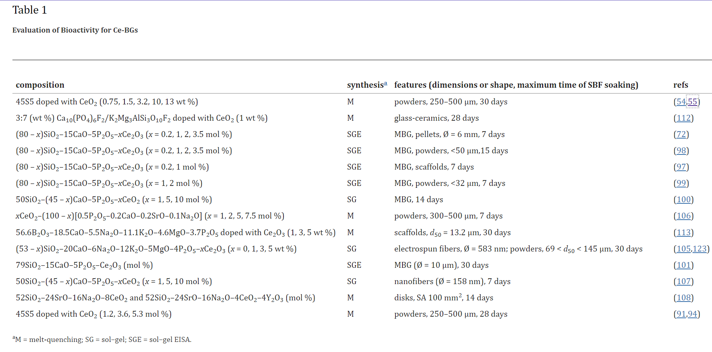
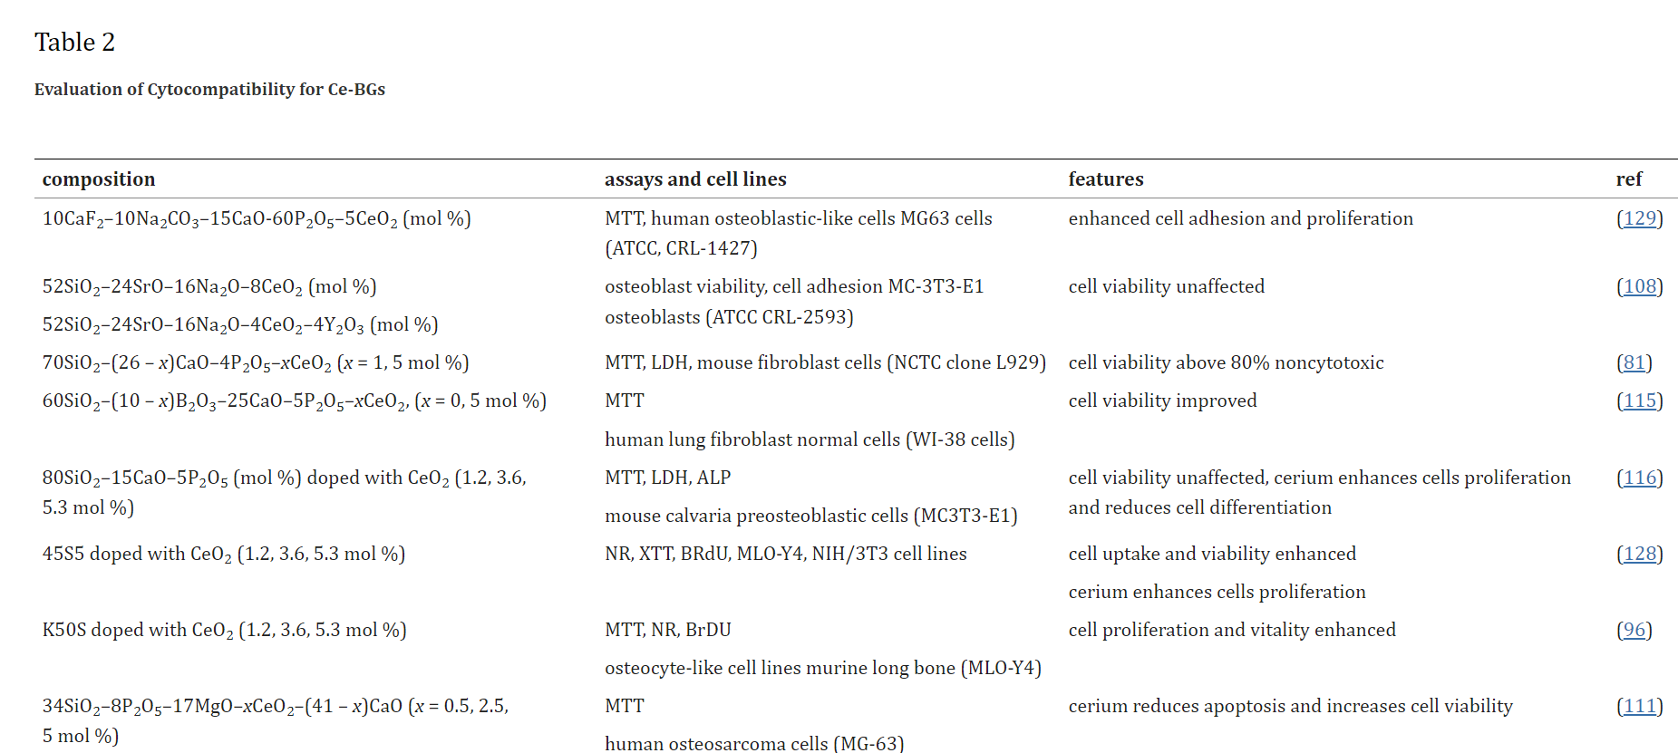
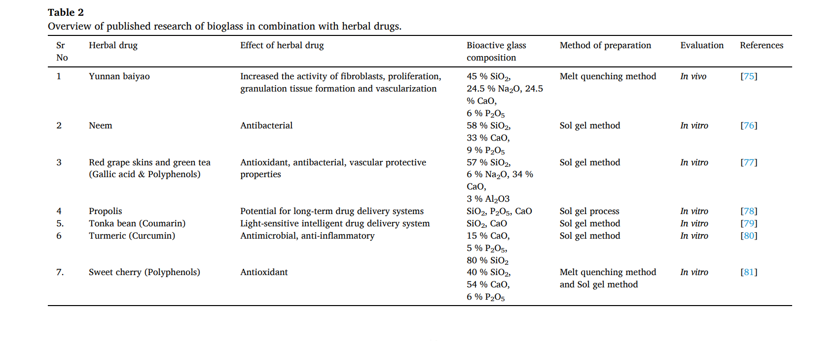
 | 49 | Synthesis and characterization of hypoxia-mimicking bioactive glasses for skeletal regeneration | https://drive.google.com/file/d/1NtZG4LzFysZL8FbYGiqh4OwK6QBdYaIV/view?usp=drive_link |  | BG | M | 49.46 | 0 | 23.08 | 26.38 | 1.07 | 0 | 0 | 0 | 0 | 0 | 0 | 0 | 0 | mol% | both analysis | XRD, Tg, DSC, MAS-NMR, FTIR
 |  |  |  |  | BG | M | 49.46 | 0 | 22.58 | 26.38 | 1.07 | 0 | 0 | 0 | 0 | 0 | 0 | 0.5 | 0 | mol% | both analysis | XRD, Tg, DSC, MAS-NMR, FTIR
 |  |  |  |  | BG | M | 49.46 | 0 | 22.08 | 26.38 | 1.07 | 0 | 0 | 0 | 0 | 0 | 0 | 1 | 0 | mol% | both analysis | XRD, Tg, DSC, MAS-NMR, FTIR
 |  |  |  |  | BG | M | 49.46 | 0 | 21.08 | 26.38 | 1.07 | 0 | 0 | 0 | 0 | 0 | 0 | 2 | 0 | mol% | both analysis | XRD, Tg, DSC, MAS-NMR, FTIR
 |  |  |  |  | BG | M | 49.46 | 0 | 19.08 | 26.38 | 1.07 | 0 | 0 | 0 | 0 | 0 | 0 | 4 | 0 | mol% | both analysis | XRD, Tg, DSC, MAS-NMR, FTIR
 |  |  |  |  | BG | M | 49.46 | 0 | 17.08 | 26.38 | 1.07 | 0 | 4 | 0 | 0 | 0 | 0 | 2 | 0 | mol% | both analysis | XRD, Tg, DSC, MAS-NMR, FTIR
 |  |  |  |  | BG | M | 47.98 | 0 | 23.85 | 26.12 | 1.06 | 0 | 0 | 0 | 0 | 0 | 0 | 0.99 | 0 | mol% | both analysis | XRD, Tg, DSC, MAS-NMR, FTIR
 |  |  |  |  | BG | M | 46.53 | 0 | 24.59 | 25.86 | 1.05 | 0 | 0 | 0 | 0 | 0 | 0 | 1.96 | 0 | mol% | both analysis | XRD, Tg, DSC, MAS-NMR, FTIR
 |  |  |  |  | BG | M | 43.72 | 0 | 26.04 | 25.37 | 1.03 | 0 | 0 | 0 | 0 | 0 | 0 | 3.85 | 0 | mol% | both analysis | XRD, Tg, DSC, MAS-NMR, FTIR
 | 50 | Substitutions of cerium, gallium and zinc in ordered mesoporous bioactive glasses | https://drive.google.com/file/d/1OG2ut1gKNd0v18mv7PrfoZ2uUg7c-nSI/view?usp=drive_link |  | BG | SG | 80 | 0 | 15 | 0 | 5 | 0 | 0 | 0 | 0 | 0 | 0 | 0 | 0 | mol% | in vitro | TEM, EDX, FTIR, bioactivity assay, PG-DTA, | Pore size
 |  |  |  |  | BG | SG | 79.8 | 0 | 15 | 0 | 5 | 0 | 0 | 0 | 0.2 | 0 | 0 | 0 | 0 | mol% | in vitro | TEM, EDX, FTIR, bioactivity assay, PG-DTA, | Pore size
 |  |  |  |  | BG | SG | 79 | 0 | 15 | 0 | 5 | 0 | 0 | 0 | 1 | 0 | 0 | 0 | 0 | mol% | in vitro | TEM, EDX, FTIR, bioactivity assay, PG-DTA, | Pore size
 |  |  |  |  | BG | SG | 78 | 0 | 15 | 0 | 5 | 0 | 0 | 0 | 2 | 0 | 0 | 0 | 0 | mol% | in vitro | TEM, EDX, FTIR, bioactivity assay, PG-DTA, | Pore size
 |  |  |  |  | BG | SG | 76.5 | 0 | 15 | 0 | 5 | 0 | 0 | 0 | 3.5 | 0 | 0 | 0 | 0 | mol% | in vitro | TEM, EDX, FTIR, bioactivity assay, PG-DTA, | Pore size
 | 51 | Effect of bioactive glass nanoparticles on biological properties of PLGA/collagen scaffold | https://drive.google.com/file/d/1z5xj0y_VLQ85CxOZ2cSU0ZHf8HM2NwQm/view?usp=drive_link |  | BG | SG | 64 | 0 | 26 | 0 | 5 | 0 | 0 | 0 | 0 | 0 | 0 | 5 | 0 | mol% | in vitro | MTT assay, Cell Adhesion, VEGF, Cell attachment,
 | 52 | Synthesis and characterization of cerium- and gallium-containing borate bioactive glass scaffolds for bone tissue engineering | https://drive.google.com/file/d/1nRYOqT4cX2rFNmrt2n01LgLkSh0ToN23/view?usp=drive_link |  | BG | M | 0 | 56.6 | 18.5 | 5.5 | 3.7 | 11.1 | 4.6 | 0 | 0 | 0 | 0 | 0 | 0 | wt% | in vitro | FTIR, Mechanical properties, SEM, DTA, weight loss, pH, XRD
 |  |  |  |  | BG | M | 0 | 56.034 | 18.315 | 5.445 | 3.663 | 10.989 | 4.554 | 0 | 1 | 0 | 0 | 0 | 0 | wt% | in vitro | FTIR, Mechanical properties, SEM, DTA, weight loss, pH, XRD
 |  |  |  |  | BG | M | 0 | 54.902 | 17.945 | 5.335 | 3.589 | 10.767 | 4.462 | 0 | 3 | 0 | 0 | 0 | 0 | wt% | in vitro | FTIR, Mechanical properties, SEM, DTA, weight loss, pH, XRD
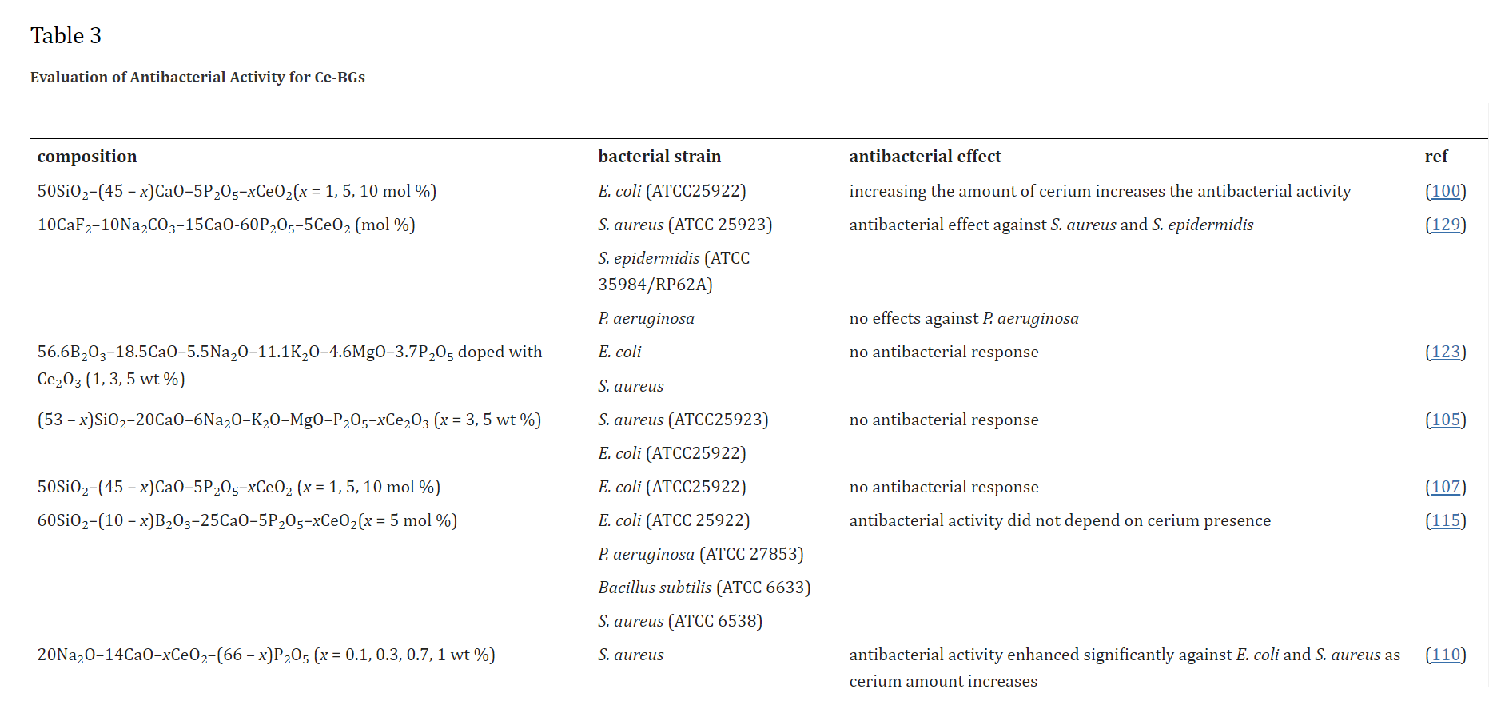
 |  |  |  |  | BG | M | 0 | 53.77 | 17.575 | 5.225 | 3.515 | 10.545 | 4.37 | 0 | 5 | 0 | 0 | 0 | 0 | wt% | in vitro | FTIR, Mechanical properties, SEM, DTA, weight loss, pH, XRD
 | 53 | The effect of composition on structural, thermal, redox and bioactive properties of Ce-containing glasses | https://drive.google.com/file/d/1-eEcra70UxTdqLjGxfzfHpaUKfv0nN84/view?usp=drive_link |  | BG | M | 50 | 0 | 25 | 25 | 0 | 0 | 0 | 0 | 0 | 0 | 0 | 0 | 0 | mol% |  | ESM, EDS, DTA, CN, UV-vis spectra, XPS, Infrared spectroscopy,
 |  |  |  |  | BG | M | 49.4 | 0 | 24.7 | 24.7 | 0 | 0 | 0 | 0 | 0 | 1.2 | 0 | 0 | 0 | mol% |  | ESM, EDS, DTA, CN, UV-vis spectra, XPS, Infrared spectroscopy,
 |  |  |  |  | BG | M | 48.2 | 0 | 24.1 | 24.1 | 0 | 0 | 0 | 0 | 0 | 3.6 | 0 | 0 | 0 | mol% |  | ESM, EDS, DTA, CN, UV-vis spectra, XPS, Infrared spectroscopy,
 |  |  |  |  | BG | M | 47.4 | 0 | 23.7 | 23.7 | 0 | 0 | 0 | 0 | 0 | 5.3 | 0 | 0 | 0 | mol% |  | ESM, EDS, DTA, CN, UV-vis spectra, XPS, Infrared spectroscopy,
 |  |  |  |  | BG | M | 46.2 | 0 | 26.9 | 24.3 | 2.6 | 0 | 0 | 0 | 0 | 0 | 0 | 0 | 0 | mol% |  | ESM, EDS, DTA, CN, UV-vis spectra, XPS, Infrared spectroscopy,
 |  |  |  |  | BG | M | 45.6 | 0 | 26.6 | 24 | 2.6 | 0 | 0 | 0 | 0 | 1.2 | 0 | 0 | 0 | mol% |  | ESM, EDS, DTA, CN, UV-vis spectra, XPS, Infrared spectroscopy,
 |  |  |  |  | BG | M | 44.6 | 0 | 25.9 | 23.4 | 2.5 | 0 | 0 | 0 | 0 | 3.6 | 0 | 0 | 0 | mol% |  | ESM, EDS, DTA, CN, UV-vis spectra, XPS, Infrared spectroscopy,
 |  |  |  |  | BG | M | 43.8 | 0 | 25.5 | 23 | 2.4 | 0 | 0 | 0 | 0 | 5.3 | 0 | 0 | 0 | mol% |  | ESM, EDS, DTA, CN, UV-vis spectra, XPS, Infrared spectroscopy,
 | 54 | Mesoporous bioactive glasses doped with cerium: Investigation over enzymatic-like mimetic activities and bioactivity | https://drive.google.com/file/d/1YcnNMxmi-eEy1-UTzjrPSL1H-UqaWrKi/view?usp=drive_link |  | BG | M | 80 | 0 | 15 | 0 | 5 | 0 | 0 | 0 | 0 | 0 | 0 | 0 | 0 | mol% | in vitro | XPS, SOD, Bioactivity tests, UV–Vis spectra, FTIR, XRD
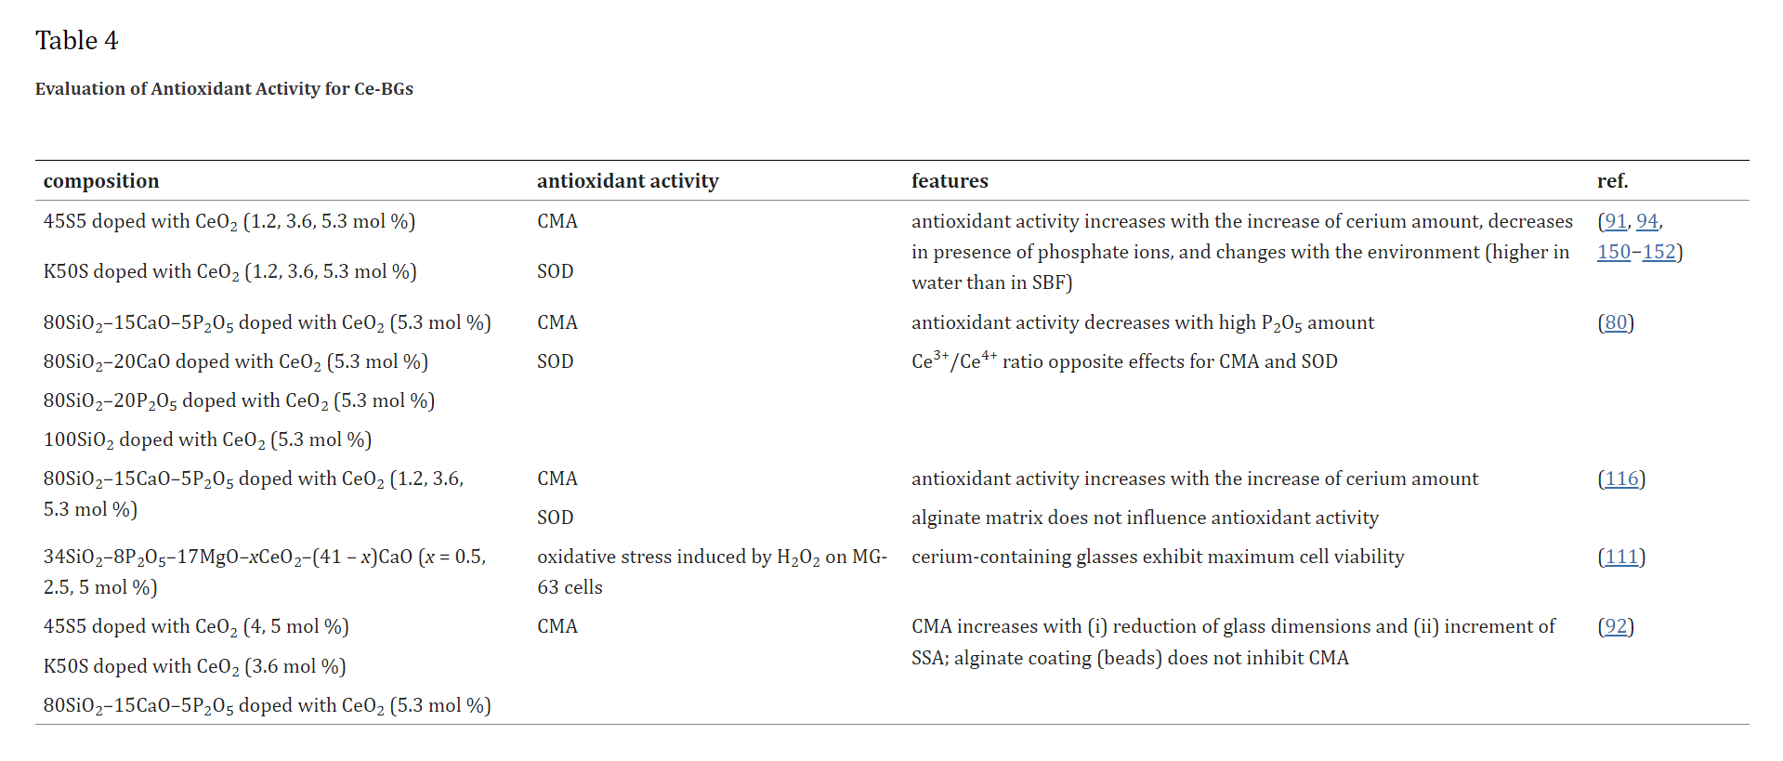
 |  |  |  |  | BG | M | 75.8 | 0 | 14.2 | 0 | 4.7 | 0 | 0 | 0 | 0 | 5.3 | 0 | 0 | 0 | mol% | in vitro | XPS, SOD, Bioactivity tests, UV–Vis spectra, FTIR, XRD
 |  |  |  |  | BG | M | 80 | 0 | 20 | 0 | 0 | 0 | 0 | 0 | 0 | 0 | 0 | 0 | 0 | mol% | in vitro | XPS, SOD, Bioactivity tests, UV–Vis spectra, FTIR, XRD
 |  |  |  |  | BG | M | 75.8 | 0 | 18.9 | 0 | 0 | 0 | 0 | 0 | 0 | 5.3 | 0 | 0 | 0 | mol% | in vitro | XPS, SOD, Bioactivity tests, UV–Vis spectra, FTIR, XRD
 |  |  |  |  | BG | M | 80 | 0 | 0 | 0 | 20 | 0 | 0 | 0 | 0 | 0 | 0 | 0 | 0 | mol% | in vitro | XPS, SOD, Bioactivity tests, UV–Vis spectra, FTIR, XRD
 |  |  |  |  | BG | M | 75.8 | 0 | 0 | 0 | 18.9 | 0 | 0 | 0 | 0 | 5.3 | 0 | 0 | 0 | mol% | in vitro | XPS, SOD, Bioactivity tests, UV–Vis spectra, FTIR, XRD
 |  |  |  |  | BG | M | 94.7 | 0 | 0 | 0 | 0 | 0 | 0 | 0 | 0 | 5.3 | 0 | 0 | 0 | mol% | in vitro | XPS, SOD, Bioactivity tests, UV–Vis spectra, FTIR, XRD
 | 55 | Composition and morphology effects on catalase mimetic activity of potential bioactive glasses | https://drive.google.com/file/d/1NE28mHt0MRhGM58p4jUafAgGcuYsiSEn/view?usp=drive_link |  | BG | multiple | 46.1 | 0 | 26.9 | 24.4 | 2.6 | 0 | 0 | 0 | 0 | 0 | 0 | 0 | 0 | mol% | in vitro | UV–vis spectroscopy, CMA, Bioactivity tests
 |  |  |  |  | BG | multiple | 43.6 | 0 | 25.5 | 23.1 | 2.5 | 0 | 0 | 0 | 0 | 0 | 0 | 5.3 | 0 | mol% | in vitro | UV–vis spectroscopy, CMA, Bioactivity tests
 |  |  |  |  | BG | multiple | 43.6 | 0 | 25.5 | 23.1 | 2.5 | 0 | 0 | 0 | 0 | 5.3 | 0 | 0 | 0 | mol% | in vitro | UV–vis spectroscopy, CMA, Bioactivity tests
 |  |  |  |  | BG | multiple | 44.3 | 0 | 25.8 | 23.4 | 2.5 | 0 | 0 | 0 | 0 | 0 | 0 | 4 | 0 | mol% | in vitro | UV–vis spectroscopy, CMA, Bioactivity tests
 |  |  |  |  | BG | multiple | 44.3 | 0 | 25.8 | 23.4 | 2.5 | 0 | 0 | 0 | 0 | 4 | 0 | 0 | 0 | mol% | in vitro | UV–vis spectroscopy, CMA, Bioactivity tests
 |  |  |  |  | BG | multiple | 50 | 0 | 25 | 25 | 0 | 0 | 0 | 0 | 0 | 0 | 0 | 0 | 0 | mol% | in vitro | UV–vis spectroscopy, CMA, Bioactivity tests
 |  |  |  |  | BG | multiple | 48.2 | 0 | 24.1 | 24.1 | 0 | 0 | 0 | 0 | 0 | 3.6 | 0 | 0 | 0 | mol% | in vitro | UV–vis spectroscopy, CMA, Bioactivity tests
 |  |  |  |  | BG | multiple | 80 | 0 | 15 | 0 | 5 | 0 | 0 | 0 | 0 | 0 | 0 | 0 | 0 | mol% | in vitro | UV–vis spectroscopy, CMA, Bioactivity tests
 |  |  |  |  | BG | multiple | 75.8 | 0 | 14.2 | 0 | 4.7 | 0 | 0 | 0 | 0 | 5.3 | 0 | 0 | 0 | mol% | in vitro | UV–vis spectroscopy, CMA, Bioactivity tests
 | 56 | In vitro drug release behavior of Ce-doped nano-bioactive glass carriers under oxidative stress | https://drive.google.com/file/d/1YplQ_sAlw0c_0Q8W9zdeU0eHG7uvxDVk/view?usp=drive_link |  | BG | SG | 60 | 10 | 25 | 0 | 5 | 0 | 0 | 0 | 0 | 0 | 0 | 0 | 0 | mol% | in vitro | XRD, DSC, TGA, FTIR, TEM, bioactivity, Antibacterial activity, Cytocompatibility
 |  |  |  |  | BG | SG | 60 | 5 | 25 | 0 | 5 | 0 | 0 | 0 | 0 | 5 | 0 | 0 | 0 | mol% | in-vitro | XRD, DSC, TGA, FTIR, TEM, bioactivity, Antibacterial activity, Cytocompatibility
 | 57 | In vitro bioactivity evaluation, antimicrobial behavior and mechanical properties of ceriumcontaining phosphate glasses | https://drive.google.com/file/d/1fdITzTQlwCPnJPy-4VbBiy1GzmcWSwPK/view?usp=drive_link |  | BG | M | 0 | 0 | 14 | 20 | 66 | 0 | 0 | 0 | 0 | 0 | 0 | 0 | 0 | wt% | in-vitro | Density and mechanical properties, bioactivity evaluation, FTIR, XRD, TEM, Antimicrobial behaviors
 |  |  |  |  | BG | M | 0 | 0 | 14 | 20 | 65.9 | 0 | 0 | 0 | 0 | 0.1 | 0 | 0 | 0 | wt% | in-vitro | Density and mechanical properties, bioactivity evaluation, FTIR, XRD, TEM, Antimicrobial behaviors
 |  |  |  |  | BG | M | 0 | 0 | 14 | 20 | 65.7 | 0 | 0 | 0 | 0 | 0.3 | 0 | 0 | 0 | wt% | in-vitro | Density and mechanical properties, bioactivity evaluation, FTIR, XRD, TEM, Antimicrobial behaviors
 |  |  |  |  | BG | M | 0 | 0 | 14 | 20 | 65.3 | 0 | 0 | 0 | 0 | 0.7 | 0 | 0 | 0 | wt% | in-vitro | Density and mechanical properties, bioactivity evaluation, FTIR, XRD, TEM, Antimicrobial behaviors
 |  |  |  |  | BG | M | 0 | 0 | 14 | 20 | 65 | 0 | 0 | 0 | 0 | 1 | 0 | 0 | 0 | wt% | in-vitro | Density and mechanical properties, bioactivity evaluation, FTIR, XRD, TEM, Antimicrobial behaviors
 | 58 | CeO2 Containing Thin Films as Bioactive Coatings for Orthopaedic Implants | https://drive.google.com/file/d/1E1WKDaYvHvPvNmY_GzMwtO4A7asSg-JY/view?usp=drive_link |  | BG | SG | 46.1 | 0 | 16.9 | 0 | 2.6 | 0 | 10 | 0 | 0 | 5 | 0 | 0 | 0 | mol% | in-vitro | SEM, EDX, Cell Viability, XRD, FTIR,
 | 59 | Cerium-containing mesoporous bioactive glasses: Material characterization, in vitro bioactivity, biocompatibility and cytotoxicity evaluation | https://drive.google.com/file/d/1QR9EdNzn8gMz6-5UPWnabI6WpKIlyXwy/view?usp=drive_link |  | BG | SG | 70 | 0 | 26 | 0 | 4 | 0 | 0 | 0 | 0 | 0 | 0 | 0 | 0 | mol% | in-vitro | XRD, FTIR, XPS, Micro-Raman spectra, SEM, EDX, XRF, MTT, LDH | Pore dia, BET
 |  |  |  |  | BG | SG | 70 | 0 | 25 | 0 | 4 | 0 | 0 | 0 | 0 | 1 | 0 | 0 | 0 | mol% | in-vitro | XRD, FTIR, XPS, Micro-Raman spectra, SEM, EDX, XRF, MTT, LDH | Pore dia, BET
 |  |  |  |  | BG | SG | 70 | 0 | 21 | 0 | 4 | 0 | 0 | 0 | 0 | 5 | 0 | 0 | 0 | mol% | in-vitro | XRD, FTIR, XPS, Micro-Raman spectra, SEM, EDX, XRF, MTT, LDH | Pore dia, BET
 | 60 | Cytocompatibility of Potential Bioactive Cerium-Doped Glasses based on 45S5 | https://drive.google.com/file/d/1VWlim82J-ZHrBTmQbCEK7KpU0obksEUB/view?usp=drive_link |  | BG | M | 46.2 | 0 | 26.9 | 24.3 | 2.6 | 0 | 0 | 0 | 0 | 0 | 0 | 0 | 0 | mol% | in-vitro | FTIR, ESEM-EDS, XTT, BrdU
 |  |  |  |  | BG | M | 45.6 | 0 | 26.6 | 24 | 2.6 | 0 | 0 | 0 | 0 | 1.2 | 0 | 0 | 0 | mol% | in-vitro | FTIR, ESEM-EDS, XTT, BrdU
 |  |  |  |  | BG | M | 44.5 | 0 | 26 | 23.4 | 2.5 | 0 | 0 | 0 | 0 | 3.6 | 0 | 0 | 0 | mol% | in-vitro | FTIR, ESEM-EDS, XTT, BrdU
 |  |  |  |  | BG | M | 43.4 | 0 | 25.7 | 23.2 | 2.4 | 0 | 0 | 0 | 0 | 5.2 | 0 | 0 | 0 | mol% | in-vitro | FTIR, ESEM-EDS, XTT, BrdU
 | 61 | P2O5-Free Cerium Containing Glasses: Bioactivity and Cytocompatibility Evaluation | https://drive.google.com/file/d/1irUGfJuOsiNyhEBogIncpmaNXszX5F2F/view?usp=drive_link |  | BG | M | 49.4 | 0 | 24.7 | 24.7 | 0 | 0 | 0 | 0 | 0 | 1.2 | 0 | 0 | 0 | mol% | in-vitro | MTT, Proliferation, XRD,
 |  |  |  |  | BG | M | 48.2 | 0 | 24.1 | 24.1 | 0 | 0 | 0 | 0 | 0 | 3.6 | 0 | 0 | 0 | mol% | in-vitro | MTT, Proliferation, XRD,
 |  |  |  |  | BG | M | 47.3 | 0 | 23.7 | 23.7 | 0 | 0 | 0 | 0 | 0 | 5.3 | 0 | 0 | 0 | mol% | in-vitro | MTT, Proliferation, XRD,
 | 62 | Synthesis and characterization of cerium-doped glasses and in vitro evaluation of bioactivity | https://drive.google.com/file/d/1VAe_Xl5gYY3aC1FAKWiSN-Y6yKEn4DbO/view?usp=drive_link |  | BG | M | 45 | 0 | 24.5 | 24.5 | 6 | 0 | 0 | 0 | 0 | 0 | 0 | 0 | 0 | need to be confirmed | in-vitro | XRD, SEM, | change in pH
 |  |  |  |  | BG | M | 44.3 | 0 | 24.1 | 24.1 | 5.9 | 0 | 0 | 0 | 0 | 1.5 | 0 | 0 | 0 | need to be confirmed | in-vitro | XRD, SEM, | change in pH
 |  |  |  |  | BG | M | 43.5 | 0 | 23.7 | 23.7 | 5.8 | 0 | 0 | 0 | 0 | 3.2 | 0 | 0 | 0 | need to be confirmed | in-vitro | XRD, SEM, | change in pH
 |  |  |  |  | BG | M | 39 | 0 | 23.1 | 23.1 | 5.5 | 0 | 0 | 0 | 0 | 9.5 | 0 | 0 | 0 | need to be confirmed | in-vitro | XRD, SEM, | change in pH
 |  |  |  |  | BG | M | 38.4 | 0 | 21.2 | 21.2 | 5 | 0 | 0 | 0 | 0 | 13.5 | 0 | 0 | 0 | need to be confirmed | in-vitro | XRD, SEM, | change in pH
 | 63 | Structural and in vitro study of cerium, gallium and zinc containing sol–gel bioactive glasses | https://drive.google.com/file/d/1WtGZMX018zzFTZeh0WDlA5pDX3RiGa0U/view?usp=drive_link | . | BG | SG | 79.8 | 0 | 15 | 0 | 5 | 0 | 0 | 0 | 0.2 | 0 | 0 | 0 | 0 | mol% | in-vitro | XRD, SEM, EDS, ICP, MAS NMR, FTIR
 |  |  |  |  | BG | SG | 79 | 0 | 15 | 0 | 5 | 0 | 0 | 0 | 1 | 0 | 0 | 0 | 0 | mol% | in-vitro | XRD, SEM, EDS, ICP, MAS NMR, FTIR
 |  |  |  |  | BG | SG | 78 | 0 | 15 | 0 | 5 | 0 | 0 | 0 | 2 | 0 | 0 | 0 | 0 | mol% | in-vitro | XRD, SEM, EDS, ICP, MAS NMR, FTIR
 |  |  |  |  | BG | SG | 76.5 | 0 | 15 | 0 | 5 | 0 | 0 | 0 | 3.5 | 0 | 0 | 0 | 0 | mol% | in-vitro | XRD, SEM, EDS, ICP, MAS NMR, FTIR

